EXAMPLE Customer Feedback Form
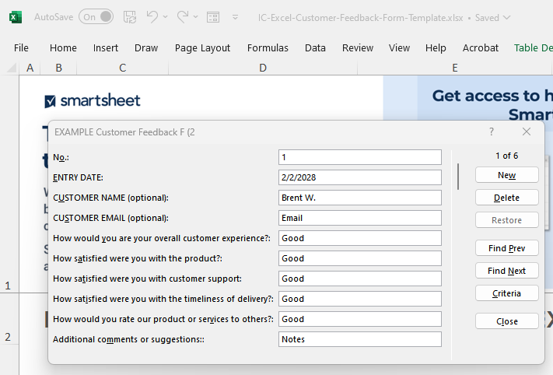
EXCEL CUSTOMER FEEDBACK FORM TEMPLATE for PC
To use the pop-up form for data entry, click inside the table. Then, click the form icon in the ribbon menu above. Next, add rows to your table by clicking New, typing in your content, then clicking New again. Your new content will now appear in the form.
No. | ENTRY DATE | CUSTOMER NAME (optional) | CUSTOMER EMAIL (optional) | How would you are your overall customer experience? | How satisfied were you with the product? | How satisfied were you with customer support | How satisfied were you with the timeliness of delivery? | How would you rate our product or services to others? | Additional comments or suggestions:
1 | 2028-02-02 | Brent W. | Email | Good | Good | Good | Good | Good | Notes
2 | 2028-02-03 | Jason D. | Email | Very Good | Very Good | Very Good | Very Good | Very Good | Notes
3 | 2028-02-04 | Harley S. | Email | Fair | Fair | Fair | Fair | Fair | Notes
4 | 2028-02-05 | Henry M. | Email | Poor | Poor | Poor | Poor | Poor | Notes
5 | 2028-02-06 | Diana K. | Email | Very Poor | Very Poor | Very Poor | Very Poor | Very Poor | Notes
6 | 2022-02-02 | Brooklyn J | Email | Very Good | Very Good | Very Good | Very Good | Very Good | Notes

CLICK HERE TO CREATE IN SMARTSHEET

